Decision Tree No H and W
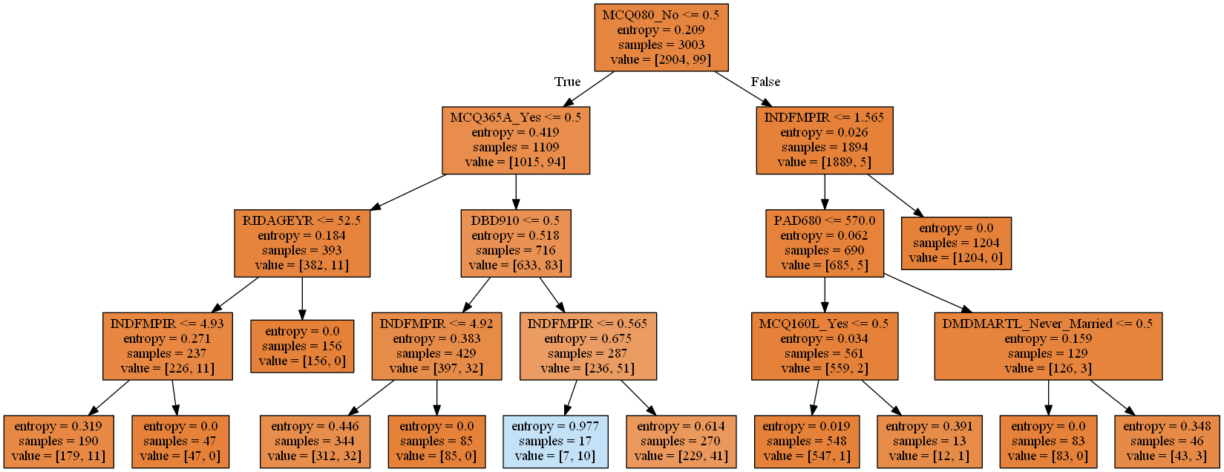
Decision Tree No H and W Chosen Feature Tree
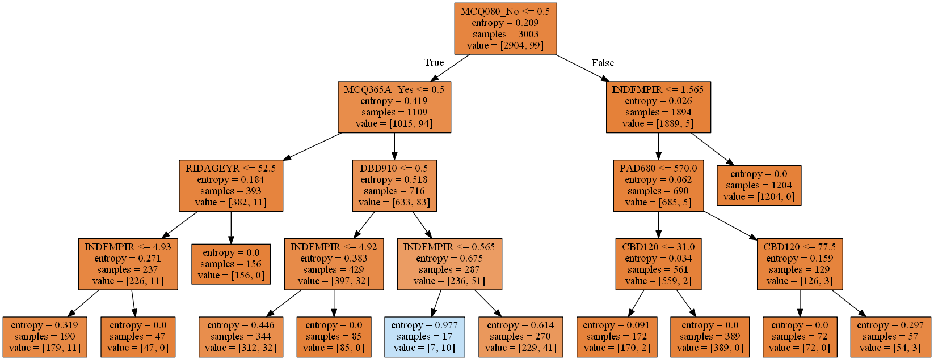

Decision Tree No H and W All Features Tree

Decision Tree With H and W
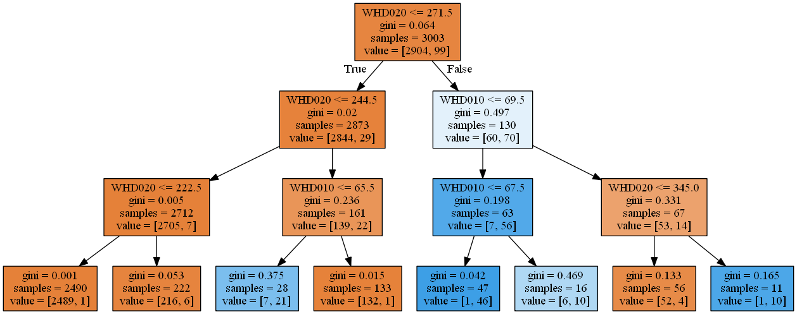
Decision Tree With H and W Chosen Feature Tree
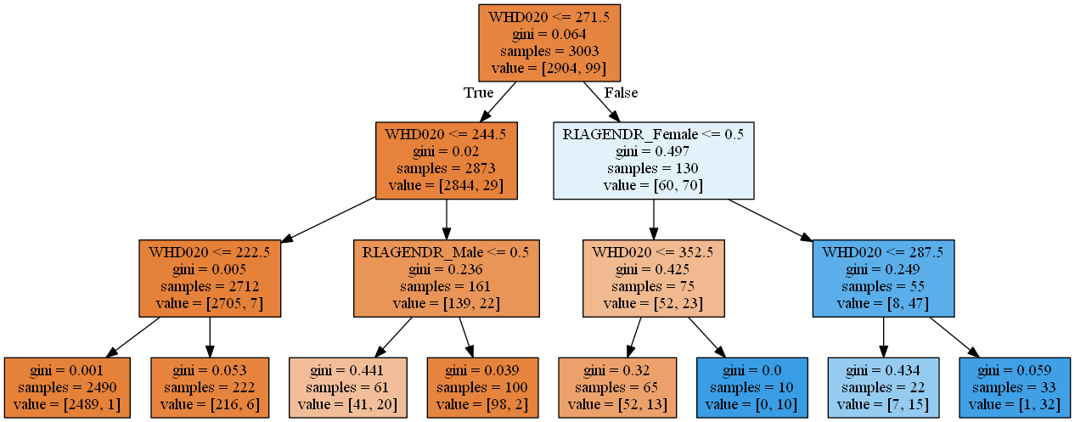

Decision Tree No H and W All Features Tree

